Sheet1
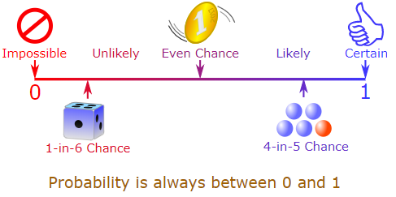
Probability
Simple Probability
 | Probability | Probability is the measure of the likelihood that an event will occur in a Random Experiment.
 | Probability Range | Probability is value between 0 and 1
 |  | 0------------------------------------------0.5----------------------------------------1
 |  | No Chance Equal Chance Guaranteed Chance
 | 1st Range | Range Between 0 to 0.5 - Less chance of Probability of Event Occurance
 | 2nd Range | Range Between 0.5 to 0.5 - Equal chance of Probability of Event Occurance
 | 3rd Range | Range Between 0.5 to 1 - More chance of Probability of Event Occurance
 | Statistically Denoted | P(Event) = 0.5
 | Trail | Flipping a coin is a trail
 | Experiment | Each trail of flipping a coin can be called an experiment
 | Simple Event | Each mutually exclusive outcome is called a simple event
 | Sample Space | Total Number every possible Simple Event
 | Probability | Probability(Single Event Occurance / Total Number of Events)
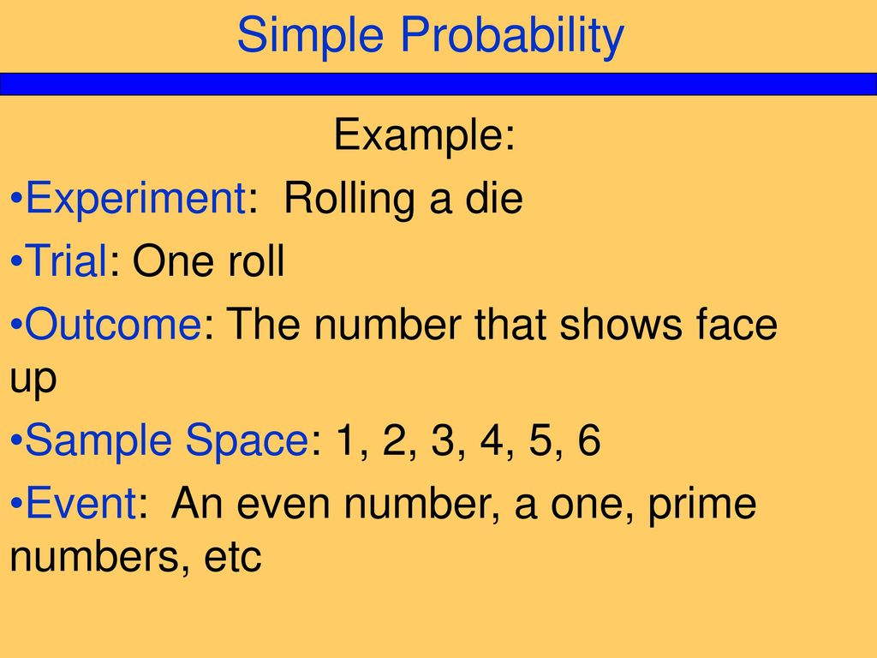
 | Example 1 | Flipping a fair coin
 |  | Possible number of outcome - 1 Either Head or Tail
 |  | Total number of outcome - 2 Head & Tail

 |  | Probability of getting Tail - 1/2 i.e.0.5 (50%)
 |  | Conclusion:- It is conclude that the range between 0.5 to 0.5 i.e. Equal chance of Probability of Event Occurance
Experiment - Rolling Coin Sample Space - 2 Events Simple Event - Head or Tail
Probability for Head is P(Head) = 1/2 = 50%
Probability for Tail is P(Tail) = 1/2 = 50%


 | Example 2 | Drawing Card number 7
 |  | Possible number of outcome - 4 Cars (Spades, Diamonds, Clubs and Hearts)
 |  | Total number of outcome - 52 Cards
 |  | Probaility of getting Card number 7 - 4/52 i.e. 0.08 (8%)
 |  | Conclusion:- It is conclude that the range between 0 to 0.5 i.e. Less chance of Probability of Event Occurance
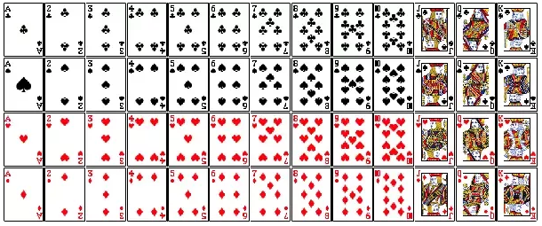

 | Example 2 | A Fruit Bag have total bag 100 fruits in which 80 fruits are mango and 20 fruits are apple | 0.0125 | 0.8 | 1
 | Law of Large Number | If We get one fruit by randomly choosing without looking into the Bag, What is the probability of mango get select -
 |  | Possible Number of outcome - 1 out of 2 Fruits( Either Mango or Apple)
 |  | Total Number of Mango Fruit - 80
 |  | Total Number of Fruits - 100
 |  | Probability of getting mango - 80/100 i.e. 0.8 (80%)
 |  | Conclusion:- It is conclude that the range between 0.5 to 1 i.e. More chance of Probability of Event Occurance

Intersections, Union and Complements
 | Intersections | In probability, an intersection describes the sample space where two events both occur
 | Notation of Intersection | A ∩ B
 |  | A ∩ B = B ∩ A
 | Example | Total 15 balls, in Two circle intersect each other. There are 9 balls are red out of which 3 are solid, 3 are checker & 3 are strip
 |  | There are 6 balls are all strips. Find the probabiliy of the balls have strips and red as well
 |  | Probability (Red ∩ Strip ) = 3/15 = 0.2
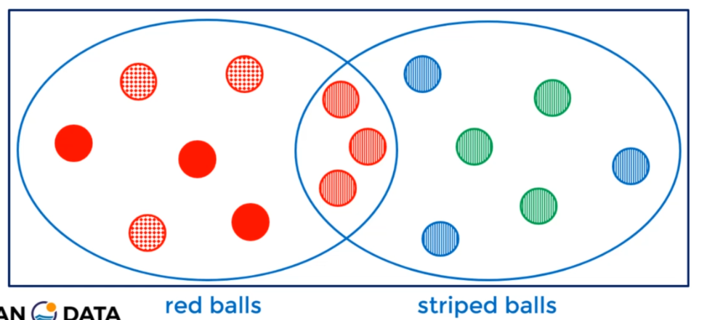

Union
 | Union | The union of two events considers if A or B occurs
 | Notation of Intersection | A U B
 | Formula | P(A U B) = P(A) +P(B) - P(A∩B)
 | Considering the above example | 9/15 + 9/15 - 3/15 = 15/15 = 1.0
Complements
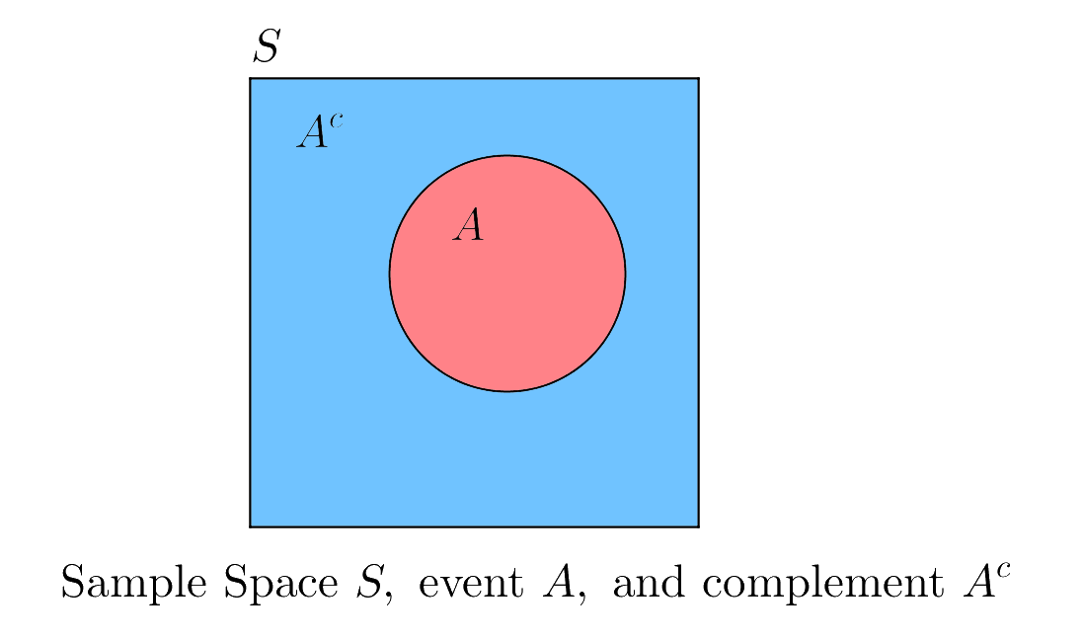
 | Complements | The Complements of an event considers everything outside of the event
 | Notation | Ā
 | Formula | P(Ā) = 1 - P(A)
 | Considering the above example | 15/15 - 9/15 = 0.4

Independent Events
 | Independent Events | An independent series of events occur when the outcome of one event has no effect on the outcome of another
 |  | The occurance of one event not affecting the probability of another event
 | Formula | P(A∩B) = P(A) x P(B)
 | Example | Rolling a die and Flipping a coin. What is a probability of rolling a five and getting head ?
 |  | Both event are independent. One event does not affect the other event. Both event mutually exclusive.
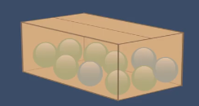
 |  | P(A∩B) = P(A) x P(B)
 |  | (1/6) * (1/2)
 |  | 0.083333333333
 | Example | There are 10 balls in the box, What is the probability of selecting green ball with replacement.
 |  | P(Green Ball1) = 7/10 = 0.7
 |  | P(Green Ball2) = 7/10 = 0.7
 |  | 0.49
Dependent Events
 | Dependent Events | The occurance of one event affecting the probability of another event

 | Formula | P(A∩B) = P(A) x P(B after A)

 | Example | There are 10 balls in the box, What is the probability of selecting green ball without replacement.
 |  | P(Green Ball1) = 7/10 = 0.7
 |  | P(Green Ball2) = 6/9 = 0.67
 |  | 0.469

Conditional Probability
 | Conditional Probability | Conditional probability is the probability of one event occurring with some relationship to one or more other events.

 | Formula | P(A|B) = P(A∩B)
 |  | P(B)
 |  | P(A|B) = Probability of A given that B occurs
 |  | P(A∩B) = Probability of Intersect of A & B
 |  | P(B) = Probability of B
 | Example | In a group of 70 sports car buyers, 40 bought alarm systems, 30 purchased bucket seats, and 20 purchased an alarm system and bucket seats. If a car buyer chosen at random bought an alarm system, what is the probability they also bought bucket seats?

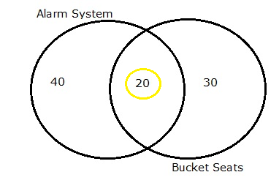

 | 0.43 | Probability of Bucket Seats is : P(Bucket Seates) = 30/70 = 0.43
 | 0.57 | Probability of Bucket Seats is : P(Alarm System) = 40/70 = 0.57
 | 0.29 | Probability of Bucket Seats & Alarm System is : P(Bucket Seates & Alaram System) = 20/70 = 0.29
 |  | Probability of Bucket Seats given that Alarm System has already bough: P(Bucket Seats |Alarm System) = P(Bucket Seates & Alaram System)/P(Alaram System) = 0.29/0.43 = 0.5087719
Addition and Multiplication Rule
 | Addition and Multiplication Rule | We are going to formaliz our undestanding

Addition Rule - Mututal Exclusive Events
 | Mututal Exclusive Events | Two events not occur at the same time

 | Formula | P(AUB) = P(A) + P(B)

 | Example | Rolling a die can give only one outcome from {1,2,3,4,5,6} that means We can get two outcome at the time.

Addition Rule -Not Mututal Exclusive Events
 | Not Mututal Exclusive Events | Two events occur at the same time.

 | Formula | P(AUB) = P(A) + P(B) - P(A∩B)

 | Example | Picking a card of King and have a Heart from 52 cars. That means the card which will be picking up can be a king and have heart.
Multiplication Rule - Independent Events and Dependent Events
 |  | It has already been explained above
Bayes Theorem or Bayes Rule
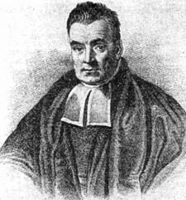
 | Bayes Theorem | Bayes Theorem was invented by "Thomas Bayes". This is a based on conditional probability. It is a principled way of calculating a conditional probability without the joint probability. Calculate the probability of an event based on its association with another event

 | Formula | P(A|B) = P(B|A) x P(A)
 |  | P(B)

 |  | P(A|B) = Probability of A when B is given - Posterior
 |  | P(B|A) = Probability of B when A is given - Likelihood
 |  | P(A) = Probability of A - Prior
 |  | P(B)=Probability of B - Marginal
 | Example | Bag I contains 4 white and 6 black balls while another Bag II contains 4 white and 3 black balls. One ball is drawn at random from one of the bags and it is found to be black. Find the probability that it was drawn from Bag I.

 |  | Bag I - 4 White & 6 Black Balls
 |  | Bag II - 4 White & 3 Black Balls
 |  | Randomly drawn from one of the bags and found black ball.
 |  | What is the probability of Bag I that it was ?
 | Solution | Both events are independent each other
 |  | Probability of Black Ball in Bag 1 is 6/10
 |  | Probability of Balck Ball in Bag 2 is 3/7
 |  | Probability of Bag 1 is 1/2
 |  | Probability of Bag 2 is 1/2

 |  | What is the Probability of Bag 1 in Back Ball ?

 |  | P(Black Ball | Bag 1) x P(Bag 1)
 |  | P(Black Ball | Bag 1) x P(Bag 1) + P(Black Ball | Bag 2) x P(Bag 2)

 |  | 6/10 x 1/2
 |  | 6/10 x 1/2 + 3/7 x 1/2

 |  | 0.30
 |  | 0.51

 |  | 0.58

 |  | A A∩B B Total
 |  | 20 5 30 50

 | Probability of A | P(A) = 20/50 = 0.4
 | Probability of B | P(B) = 30/50 = 0.6
 | Probability of A intersect B | P(A∩B) = 5/50 = 0.1
 | Probability of A given that B has already occurred | P(A|B) = P(A∩B)/P(B) = 0.1/0.6 = 0.166667
 | Probability of B given that A has already occurred | P(B|A) = P(A∩B)/P(A) = 0.1/0.4 = 0.25

 | Bayes Theorem
 | Probability of A given that B has already occurred | P(A|B) = P(B|A)*P(A)
 |  | P(B)
 |  | 0.25 * 0.4
 |  | 0.6
 |  | 0.16666666667

 | Probability of A given that B has already occurred | P(B|A) = P(A|B)*P(B)
 |  | P(A)
 |  | 0.16666667 * 0.6
 |  | 0.4
 |  | 0.25

 | It is conclude that formula for bayes theoram and formula for conditional probability are resulting same

